Instructions
Instructions
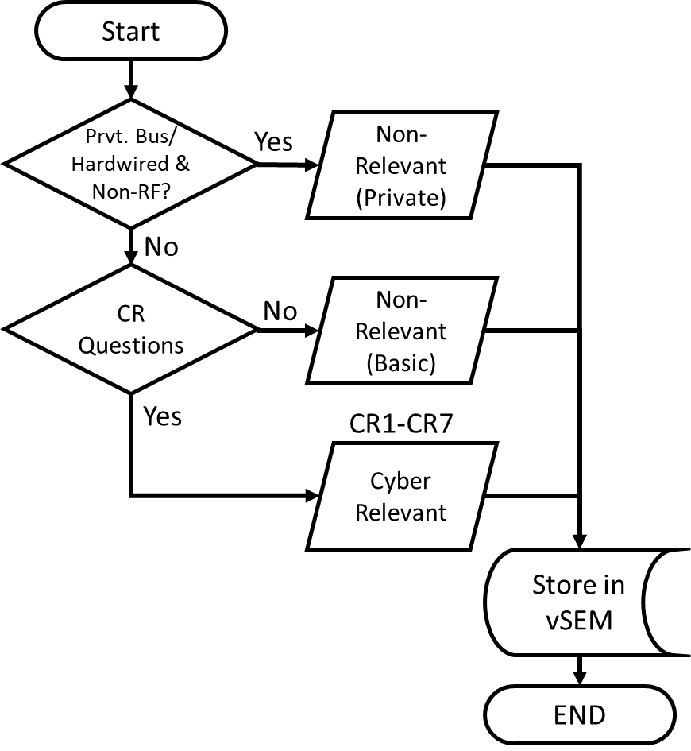
Step 1 | Save this file using the "SAVE AS" command Rename it as Cyber Relevance appending the feature name or ECU name (as applicable), program name and MY to the document name, and save it as an Excel Workbook (file extension *.xlsx) EXAMPLE: Cyber Relevance Adaptive Cruise Control V710 MY2023.xlsx

Step 2 | Go to the Cover Page tab, complete the information.

Step 3 | Go to the Questions tab and answer each question by typing a Y or N in column C.

Step 4 | Go to the Cyber Relevancy tab, if completed correctly, the cyber relevance will be displayed.

Step 5 | Save the completed Cybersecurity Relevance document. Store the completed document in the Cybersecurity Attribute section of the vehicle program in VSEM.

NOTE: The cybersecurity attribute section of the program in VSEM has not been created yet. Please store the completed document in the Functional Safety attribute section of the program in VSEM. Once a cybersecurity attribute section for programs is created in VSEM, we will move the document to that space.

Record Owner: cmichae1 (of template – to be changed)
GIS1 Item Number: 27.60/35
GIS2 Classification: Confidential
Filename: Cybersecurity Relevancy Assessment Template V1

